Hiearchy View
CLASS: REGULATOR
a device for controlling the rate of working of machinery or for controlling fluid flow, in particular a handle controlling the supply of steam to the cylinders of a steam engine |  | 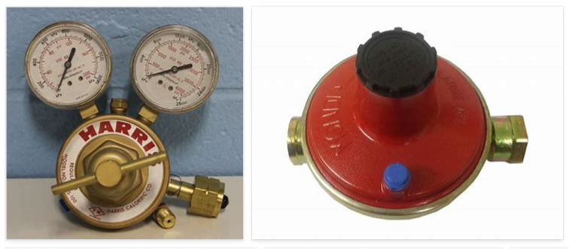
REMOVE | N

PROBLEM_DESC | CAUSE_DESC | REMEDY_DESC
BROKEN/DAMAGED
LEAKING
OTHER PROBLEM
OVERHEATING
POWER-ELEC
PRESSURE
STOPPED/SLOWED/POOR OPS
TEMP-CTRL
VIBRATION
Grand Total

